result
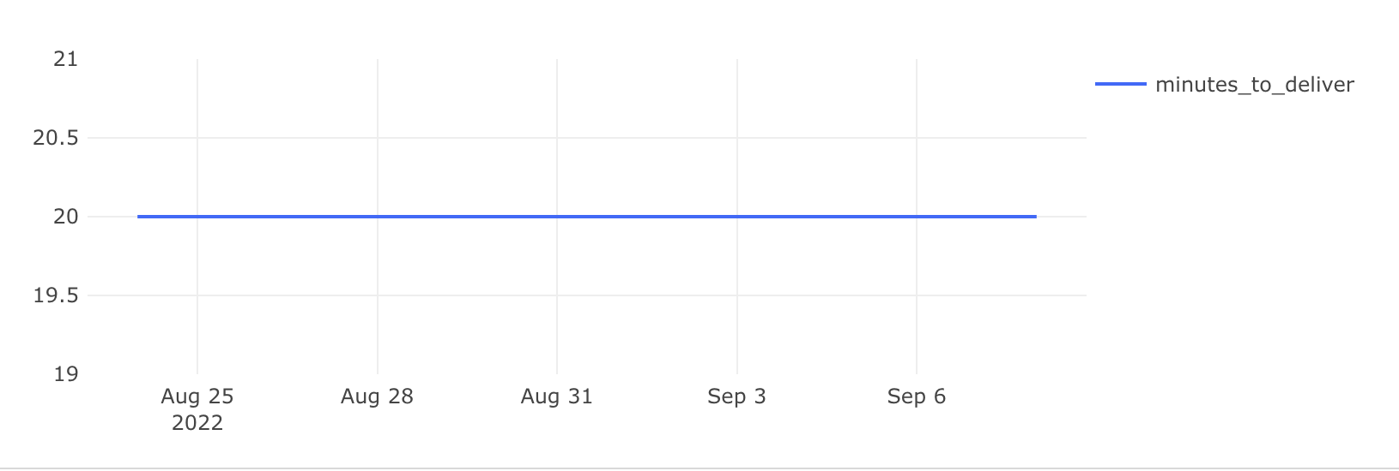
date | minutes_to_deliver
2022-08-24 | 20
2022-08-25 | 20 | with time_of_accept as (
2022-08-26 | 20 | select order_id, min(time) as min_time
2022-08-27 | 20 | from courier_actions
2022-08-28 | 20 | where order_id not in (select order_id from user_actions where action = 'cancel_order')
2022-08-29 | 20 | group by 1
2022-08-30 | 20 | )
2022-08-31 | 20 | , time_of_delivery as(
2022-09-01 | 20 | select order_id, max(time) as max_time
2022-09-02 | 20 | from courier_actions
2022-09-03 | 20 | where order_id not in (select order_id from user_actions where action = 'cancel_order')
2022-09-04 | 20 | group by 1
2022-09-05 | 20 | )
2022-09-06 | 20
2022-09-07 | 20 | , time_diff as (
2022-09-08 | 20 | select order_id, max_time - min_time as time_different, min_time
 |  | from time_of_accept
 |  | left join time_of_delivery using(order_id)
 |  | )

 |  | , spell as (
 |  | select order_id, date_trunc('day', min_time)::date as date,
 |  | extract (epoch from time_different) / 60 as minutes_to_deliver
 |  | from time_diff
 |  | )

 |  | select date, round(avg(minutes_to_deliver)) as minutes_to_deliver
 |  | from spell
 |  | group by 1
 |  | order by 1

